Sheet1
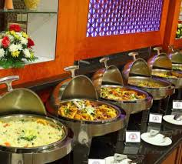
Reatauurent | image
Fine Dining: | Fine Dining:
Casual Dining: | Fine dining is a restaurant that is more expensive and unique than a typical restaurant. They may have higher-quality décor, with establishments having certain rules of dining which visitors are generally expected to follow. They may have a dress code.
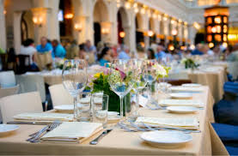
Fast Casual:
Fast Food:
Food Trucks:
Pop-Up Restaurants:
Ghost Kitchens:
Bistros:
Diners
Pubs/Breweries:
Cafes
Buffets:

 | Casual Dining:
 | A casual dining restaurant offers a relaxed atmosphere with table service and a varied menu, typically including both comfort food and healthier options at more affordable prices than fine dining

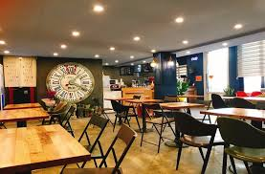

 | Fast Casual:
 | A fast casual restaurant offers a dining experience between fast food and casual dining, emphasizing higher quality, freshly prepared food with a focus on speed and affordability.
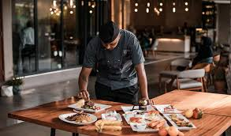

 | Fast Food:
 | A fast-food restaurant, also known as a quick-service restaurant (QSR) within the industry, is a specific type of restaurant that serves fast-food cuisine and has minimal table service.
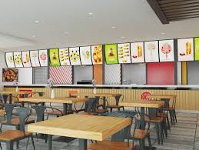

 | Food Trucks:

 | A food truck is a large motorized vehicle (such as a van or multi-stop truck) or trailer equipped to store, transport, cook, prepare, serve, and/or sell food

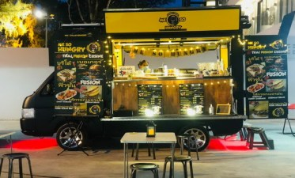

 | Pop-Up Restaurants:

 | A pop-up restaurant is a temporary dining establishment that operates for a limited time in a unique or unexpected location

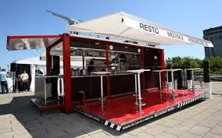

 | Ghost Kitchens:
 | Ghost kitchens, also known as cloud, virtual, or dark kitchens, are food service businesses that operate solely for delivery and takeout, without a physical dining space

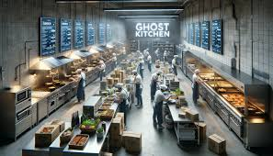

 | Bistros:
 | A bistro is a type of restaurant and is just further defined as smaller and more casual than a fine dining establishment.

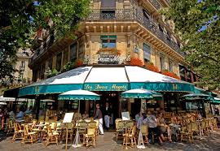

 | Diners
 | The term "diner" originally referred to small, inexpensive restaurants offering a limited selection of dishes, often located near industrial areas. These early diners were often small food trailers or converted train cars
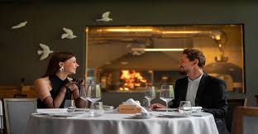

 | Pubs/Breweries:
 | there are several restaurants and a few establishments that might be considered pubs or breweries, though the specific "brewery" type might be more accurately described as a microbrewery or brewpub

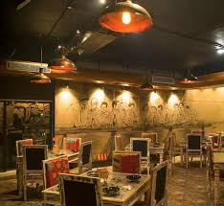

 | Cafes
 | A cafe is a small restaurant focusing on caffeinated drinks such as classic drip coffee, cappuccinos, espresso, and tea

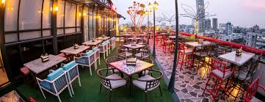

 | Buffets:
 | At buffet restaurants, customers pay one flat price and then help themselves to an array of different foods arranged on hot and cold food tables

